Sheet1
 |  | Document No. | Issue No. | Issue Date |  | Review and Replace Date |  | Authorised By
 |  | GFF024MC | 4 | 08.04.2022 |  | 17.12.2024
 |  | Document Title | GC- 20 Lamb Samosa | 1500G
 |  |  |  |  |  |  |  | Magda Shah
Document amendments reason for change |  | Tray and Film changed | Page 1 of 1 |  | Previous Issue Date |  | 12.07.2023 | Uncontrolled copy unless signed original

CLSAL-B20T | Gazebo (BULK-SNACKS) |  | GC- 20 Lamb Samosa | 1500G
STEP 1 |  |  |  |  | STEP 2
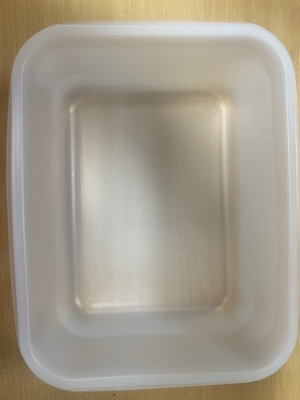 |  |  |  |  |  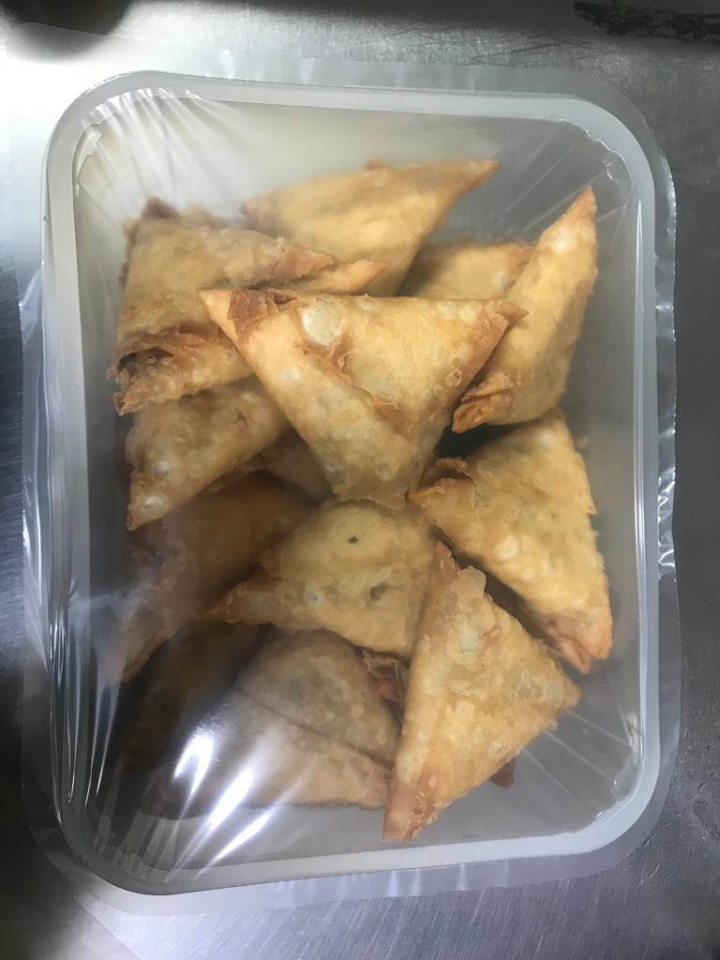

Tray: 554 natural-(PKPRO001-19) |  |  |  |  | Lamb Samosa Large(GFF005R): 75g (1X20 Units) -1500g
Film: S340AF 340mmX510mm AF&HB Weld-(PKPRO001-17)
STEP 3
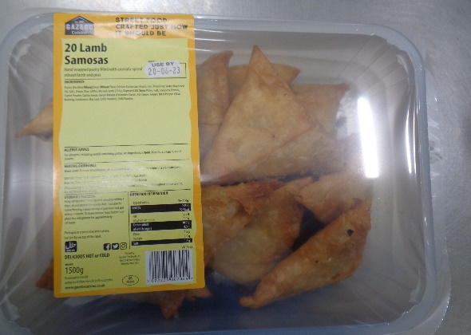 |  |  | 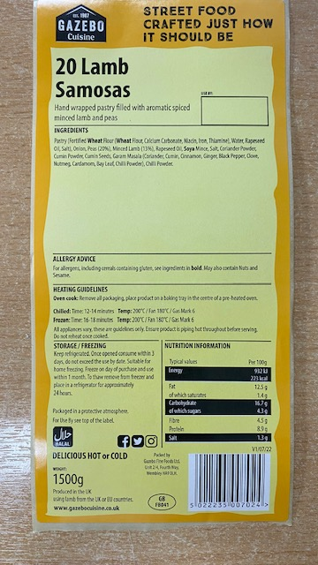 

Label: 20 Lamb samosas -Barcode-7024
TOTAL WEIGHT: 1500g

ALLERGY ALERT: Wheat, Soya

